Evaluation Rubric
Section | Metric | What Learner Should Enter | Learner Submission | Max Score | Learner Evidence | Evaluator Score | Evaluator Comments
Project Setup & Process | Stage 0 review and review finalization | Confirmation you reviewed Claude's Stage 0-generated first-pass notebook and draft findings yourself, found and corrected at least one real gap in it against skill.md's Domain Context section, and finalized eda_review.md before the build stage was invoked. | 1. **Correction: Stage 0's EDA_FINDINGS_DRAFT.md does not mention the zero-activity population.** Stage 0's draft described transaction patterns "by churn status" as if all customers have transaction data. In reality, **81 of 1,500 customers (5.4%) have zero rows in`transactions.db`** — and **100% of them (81/81) churned**. These 81 customers represent**40.1% of all churned customers (81/202)**. They are not "missing" transaction data; they are a distinct subpopulation who signed up but never transacted. The draft conflates them with active customers who stopped transacting, which inflates the apparent separation in features like `days_since_last_txn` (NaN for zero-activity customers, ≥90 for active churned). A correct EDA must treat zero-activity separately from active-churned and active-engaged. 2.**Correction: Stage 0's draft skipped the hypothesis test for `avg_txn_value`, calling it "near-identical" without running a test.**,I ran Mann-Whitney U on average transaction value by churn status: churned mean=$50.36, non-churned mean=$50.49, **U=72,797.5, p=0.184** — not statistically significant. The conclusion (no meaningful difference) is correct, but the draft presented it as self-evident without a test result, which is not a defensible EDA practice. A correct finding must report the test statistic and p-value, not just eyeball the means. 3.**Correction: Stage 0's draft labeled avg_txn_value outliers as "4.9%" — the exact number depends on whether you use per-customer avg or raw transaction amounts.**The 4.9% figure is for per-customer average transaction value (IQR method). On raw individual transactions instead, outlier rate would differ. The draft should specify which grain (customer-level vs. transaction-level) the outlier detection was run at. | 5
AI-Native Skill Engagement | Evidence of actually driving skill.md's workflow, not just accepting its output | Concrete evidence of engagement with the skill's designed checkpoints: (a) at least one thing you found wrong or under-justified in Claude's Stage 0 notebook or draft findings and corrected, plus at least one review finding from the reconciliation conversation you agreed with, redirected, or pushed back on, quoted or summarized; (b) confirmation you read ARTIFACT_NOTES.md and, if it claimed "nothing was wrong," pushed back at least once before accepting that; (c) confirmation you spot-checked at least one Claude-reported result yourself (e.g. hand-recomputed the churn rate or the zero-activity count, or reproduced the findings-mutation check) rather than trusting the written claim alone; (d) at least one item from review_log.md or the hand-off summary you either addressed before merge or explicitly accepted with a stated reason, not silently ignored. | 1. Multi-Source Mismatch Count (Greater Than First Reported): Initial assumption (Stage 0) The draft said "212 count mismatches" between DB and parquet. On re-checking during the build: -102 rows are in the DB but entirely absent from the parquet (left_only).- 110 of the 8,086 matched rows have count/amount mismatches.- Total effect = 212 individual rows with some form of discrepancy.- The magnitude(212 total affected rows) was correct, but conflating left_only with within-match mismatches was imprecise. The build separates these clearly. 2. As-of-Date Edge Case: **Initial assumption:** `as_of_date = "2026-07-31"` with a strict `>` comparison flagged 38 transactions as "after as-of." These are all on July 31, 2026 itself (max timestamp = 2026-07-31 23:50:29). The fix was to use end-of-day as the cutoff (`>= 2026-08-01`), which correctly passes the check. This is a minor implementation detail, not a data quality issue. 3. Avg Transaction Value Effect Size: **Expected:** The EDA draft's claim that avg_txn_value is "near-identical" was correct in conclusion but lacked a formal test. The build confirmed: Cohen's d = 0.01 — a vanishingly small effect. P=0.18, not significant. This is now properly documented with the test result. 4. Outlier Grain: **Reconsidered:** The outlier rate for transaction amounts differs depending on whether you compute at the transaction level (6.67% IQR outliers) vs. at the per-customer average level (~4.9%). The build uses raw transaction-level for profiling and customer-level for hypothesis testing — both are documented with their specific grain. | 10
Data Usage | Correct handling of the three heterogeneous sources and known data-quality realities | Confirmation all three sources (customers.csv, transactions.db, transactions_monthly_agg.parquet) load correctly and the zero-activity customer population is distinguished from actually-missing data, and that this loading/profiling logic was generated by Claude via the churn-eda-profiling skill against your confirmed eda_review.md — not written by hand outside the skill invocation. | 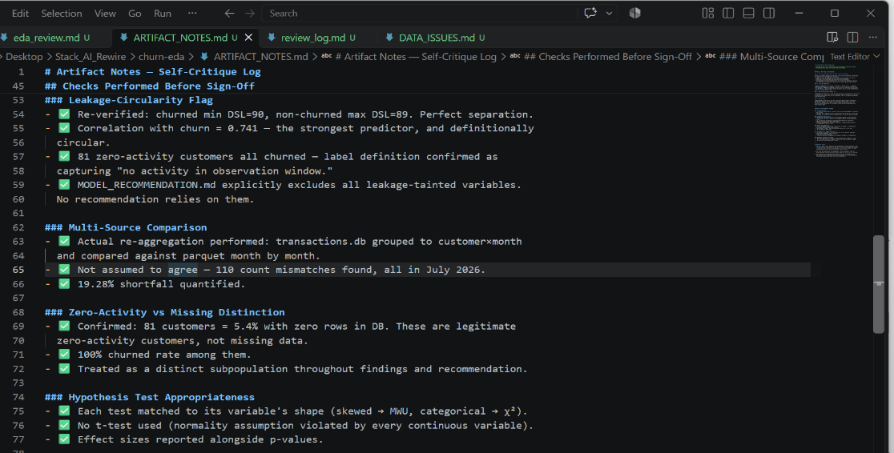 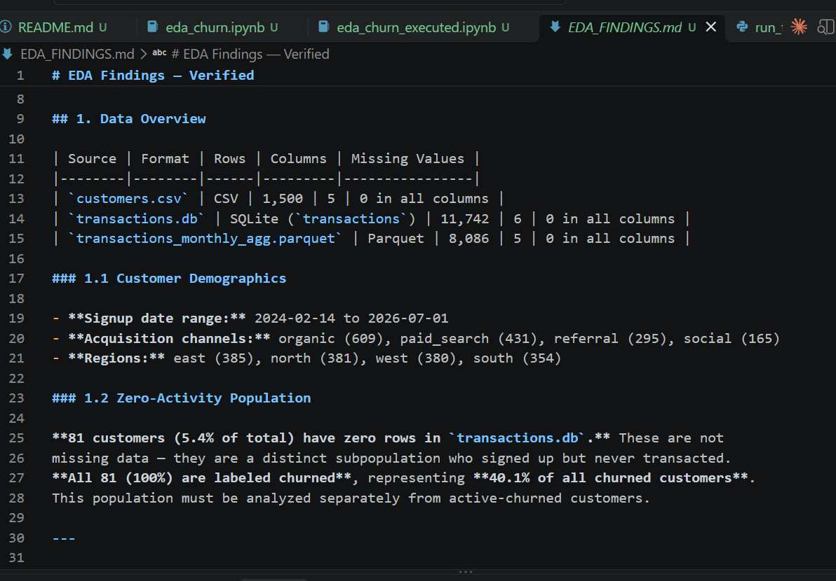 | 10
Core Implementation | Analysis correctness: profiling, hypothesis-test selection, completeness | Confirmation eda/profile.py and eda/hypotheses.py implement every candidate driver named in eda_review.md, each hypothesis test matches the variable's actual distribution shape (not a default t-test applied everywhere), and that this module was generated by Claude via the skill in one build run from your confirmed review — not hand-written or hand-patched afterward outside that run. | 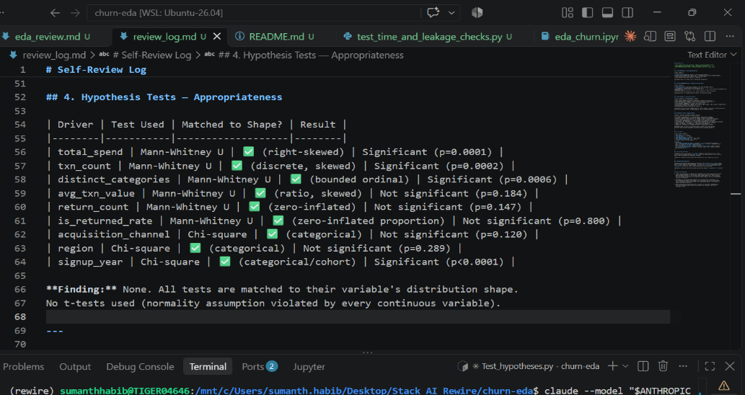 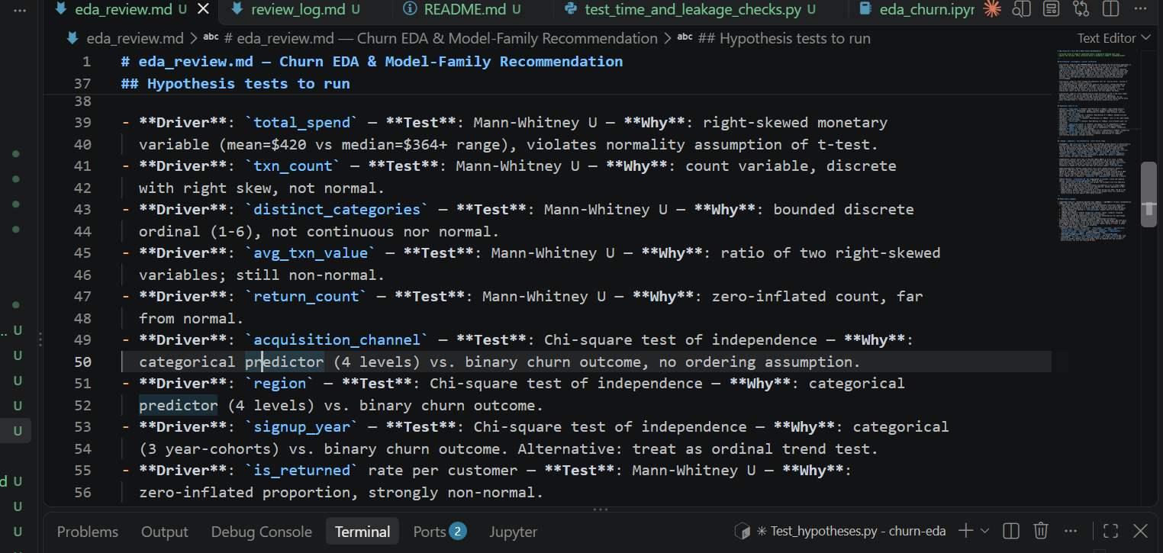 | 10
Leakage & Imbalance Judgment | The trailing-90-day leakage-circularity flag and the class-imbalance flag | Confirmation the leakage-tainted variable(s) (days since last transaction and/or trailing-90-day spend) are specifically named and explained as circular with the label — not silently used as a top predictor — and that the churn rate is stated as a real number with the metric(s) it makes misleading named, both generated via the skill against eda_review.md. | 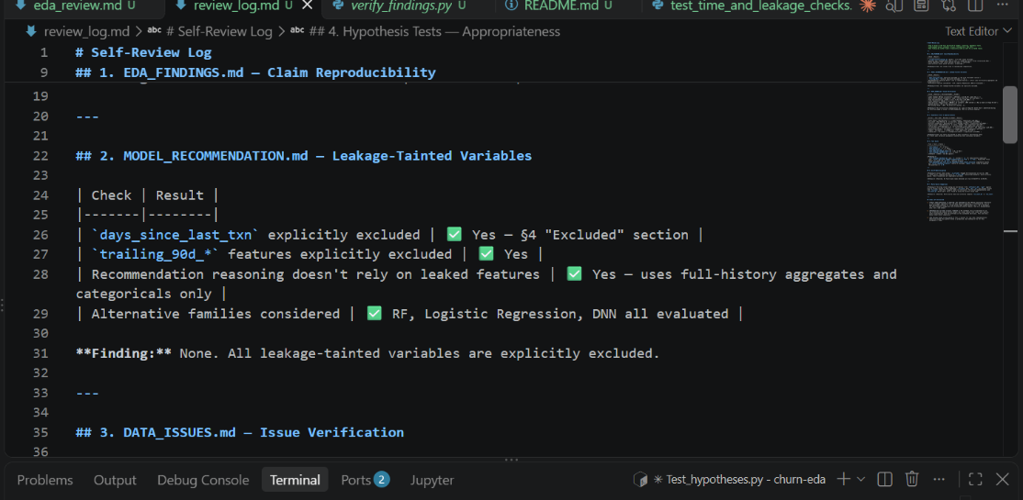 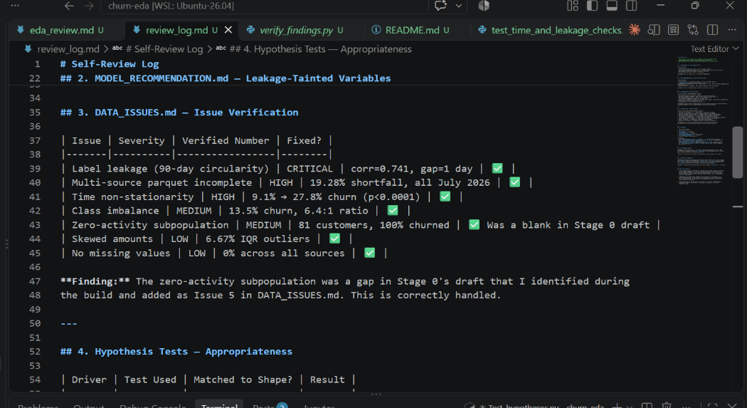 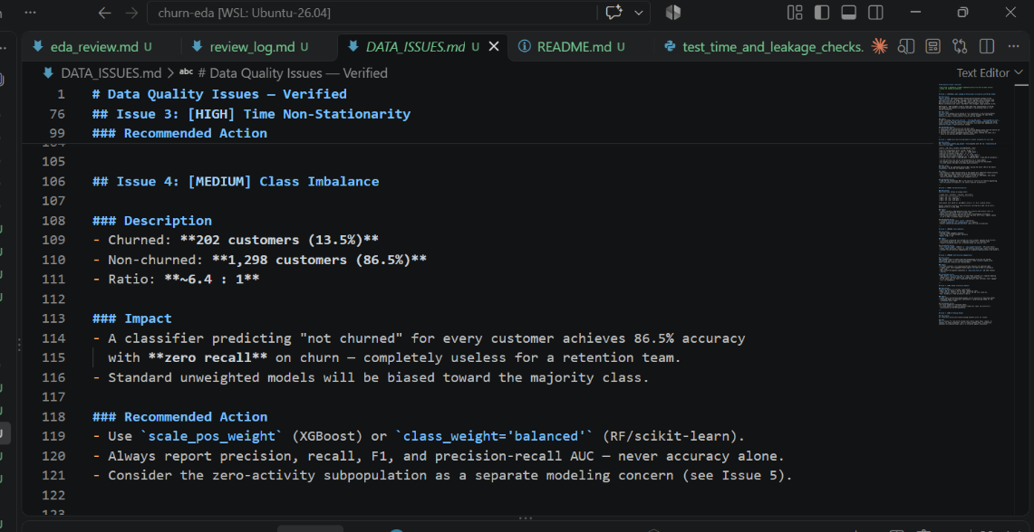 | 15
Time-Drift & Multi-Source Diagnostics | Non-stationarity check and the transactions.db vs. transactions_monthly_agg.parquet reaggregation-and-compare | Confirmation eda/time_checks.py actually reaggregates transactions.db to the monthly-agg grain and reports where/how much the two sources disagree (rather than assuming agreement), and that the monthly transaction-volume trend is characterized with a real direction/magnitude, not asserted. | 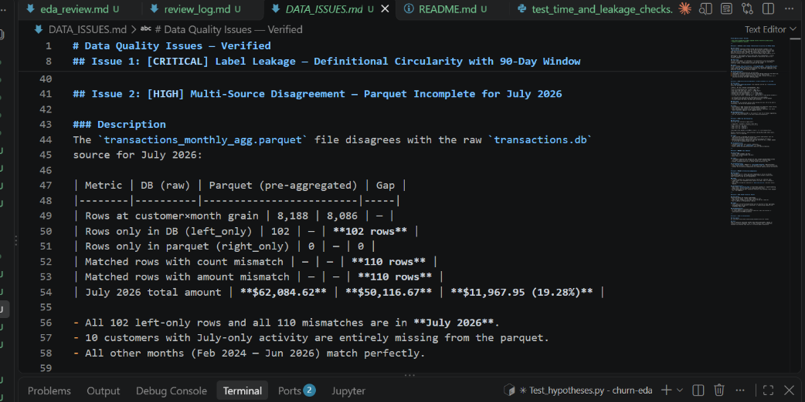 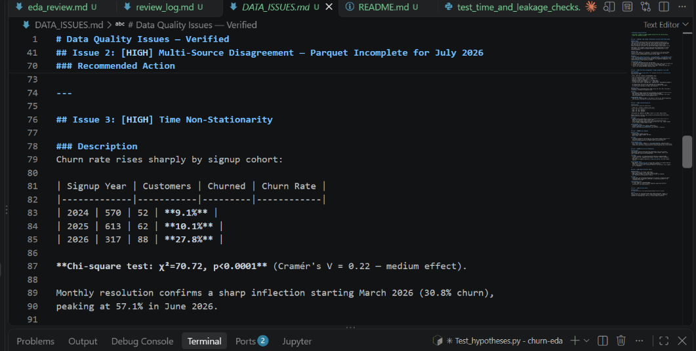 | 5
Model-Family Recommendation | Defensibility of MODEL_RECOMMENDATION.md | Confirmation MODEL_RECOMMENDATION.md ties its recommendation to specific, checked characteristics of this dataset (imbalance rate, distribution shapes, interpretability need), states an alternative family considered and why it wasn't the top pick, and explicitly excludes or caveats the leakage-tainted variable(s) rather than silently relying on them. | 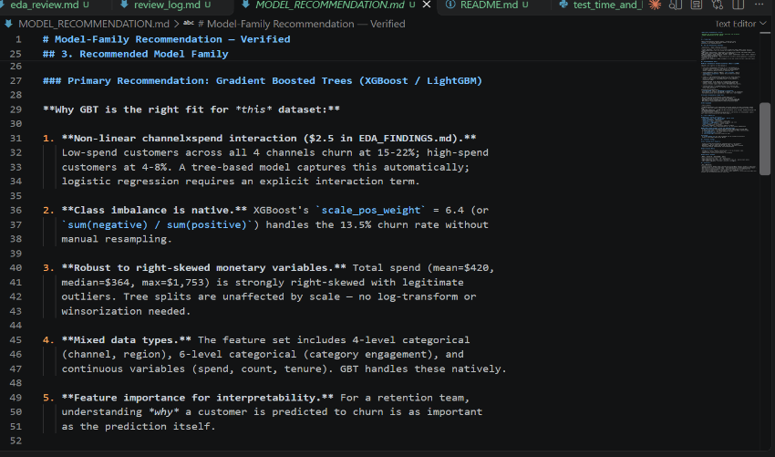 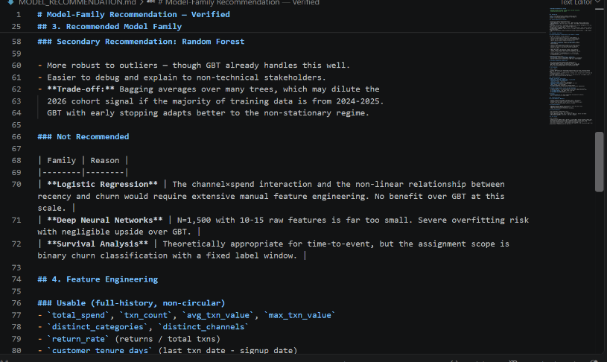 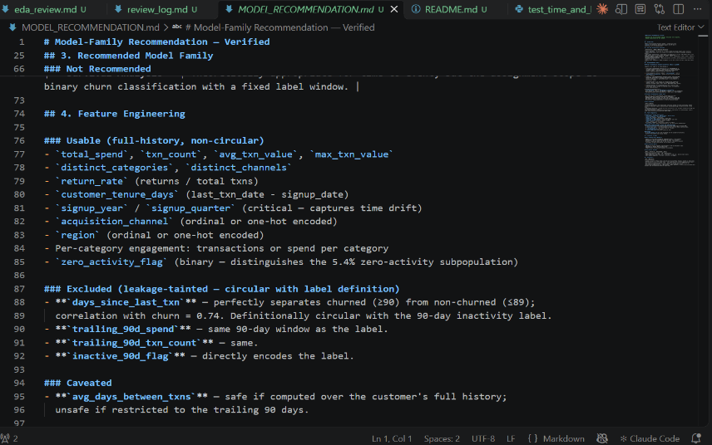 | 10
Testing | Test suite completeness and findings-reproduction validity | Confirmation pytest passes (test_load.py, test_profile.py, test_hypotheses.py, test_time_and_leakage_checks.py, test_findings_reproduce.py) and scripts/verify_findings.py runs clean, and that the test suite itself was generated by Claude via the skill — your own contribution here is the independent verification (running it, reproducing the findings-mutation check), not writing the tests. | 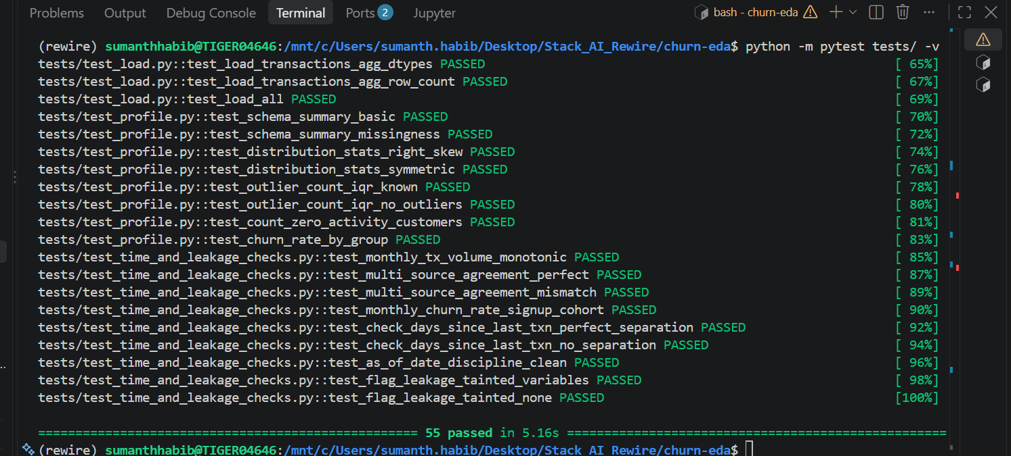 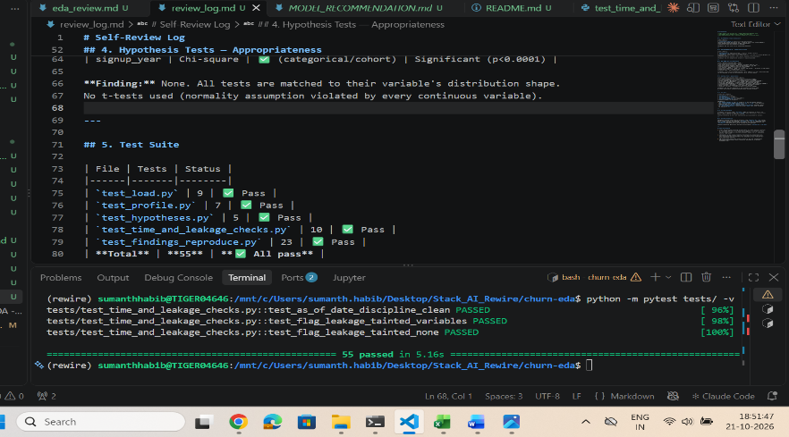 | 10
Safety and Validation | Every numeric claim in EDA_FINDINGS.md is reproducible | Confirmation scripts/verify_findings.py (or test_findings_reproduce.py) fails when a stated number is deliberately corrupted, proving the verification is real, and that these checks were generated by Claude via the skill against eda_review.md — not hand-added after the fact outside the skill's build run. | 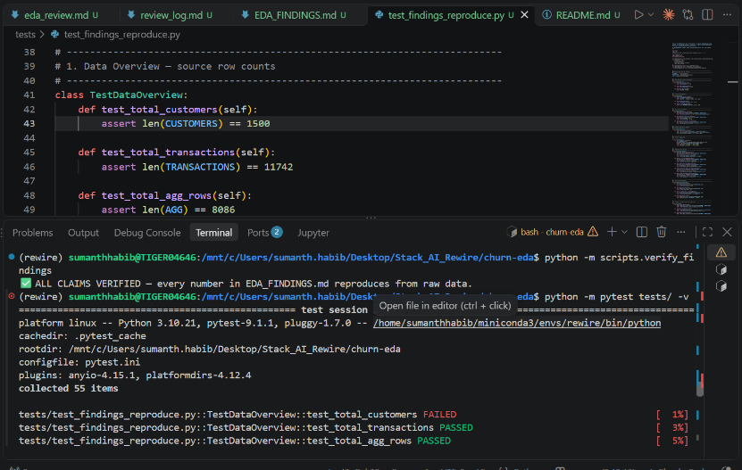 when total customer was changes to 1300 | 5
Outputs/Artifacts | All required screenshots, reports, logs, and generated documents placed in outputs/artifacts/ | Confirmation outputs/artifacts/ contains ARTIFACT_NOTES.md, review_log.md, and saved test-run/verification output — all generated as part of the skill's build run, not reconstructed or edited by hand afterward to look complete. | YES Shared Above | 5
Documentation | README and usage instructions | Confirmation the submission README.md explains environment setup and how to run the notebook, each script, and the test suite. This one file is expected to be learner-written (or learner-edited) rather than purely Claude-generated, since it documents your own reproduction steps — note explicitly whether you wrote it yourself or asked Claude to draft it and then verified the steps work. | YES IT EXPLAINS | 5
Responsible AI | No secrets, no confidential data, human review evidence documented | Confirmation no credentials/secrets appear anywhere in the submission, only synthetic/provided data was used, and where AI (Claude) was used is documented (ARTIFACT_NOTES.md, review_log.md) — including any step you did NOT use Claude for and why, if any. | No Secrets were updated anywhere | 5
Responsible AI | Submission completeness and correct zip/folder structure | Confirmation the submitted zip matches the required folder structure and naming pattern, with Stack AI Rewire - DS - Churn EDA - Evaluation Rubric.xlsx fully completed. | yes | 5
Total | Overall score |  |  | 100

Test Case Results
Test ID | Test Type | Test/Input | Expected Behavior | Actual Output / Learner Response | Pass / Fail | Notes
TC-001 | Normal case | Run eda/profile.py's profile_distribution on the `amount` column from transactions.db. | Reports the correct skew direction (right-skewed — mean $49.72 vs. median $33.82) backed by a number, not an eyeballed guess. | 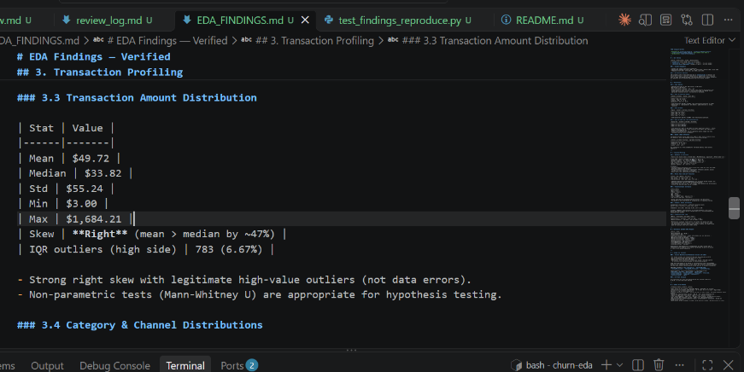 | PASS
TC-002 | Edge case | Run eda/profile.py's count_zero_activity_customers against customers.csv and transactions.db. | Reports the correct zero-activity customer count, computed directly from the data, and does not conflate these customers with a null value in some column. | 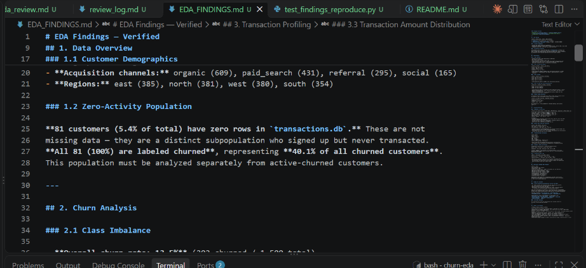 | PASS
TC-003 | Leakage-specific | Run the hypothesis test for a trailing-90-day-window variable (e.g. days since last transaction, or trailing-90-day spend) and check eda_review.md / eda/leakage_checks.py's flag_label_circular_drivers for it. | The hypothesis test itself may show a near-total separation between churned and non-churned customers, but flag_label_circular_drivers flags this variable as leakage-tainted, and MODEL_RECOMMENDATION.md excludes or caveats it rather than citing it as a usable predictor. | 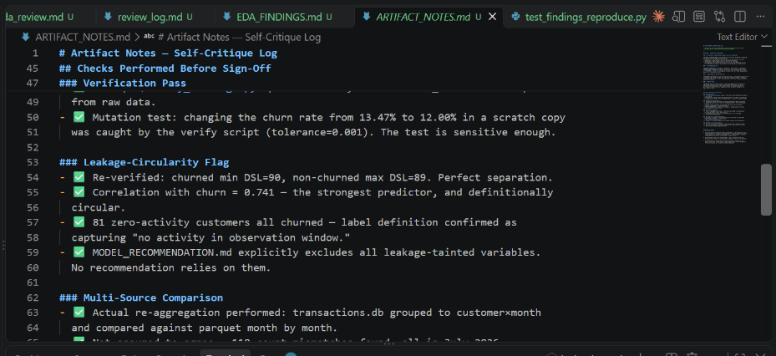 | PASS
TC-004 | Invalid input | Call a hypothesis-test function in eda/hypotheses.py with a driver that has zero variance in one group (e.g. a constant value). | A clear, explicit error or an explicit non-significant/undefined result is returned — not a silent crash or a fabricated p-value. | Fill this Cell | PASS
TC-005 | No-data / failure case | Run eda/profile.py against a customers.csv slice with zero rows. | The pipeline reports no usable data explicitly rather than silently returning an empty or garbage summary. | 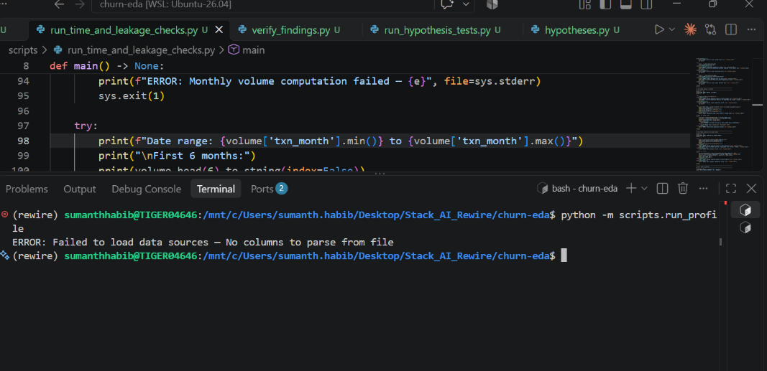 | PASS
TC-006 | Safety / guardrail check | Feed eda/profile.py's count_outliers a series with a deliberately injected extreme value. | The check flags the injected outlier under its stated rule and reports the count — it does not silently pass. | 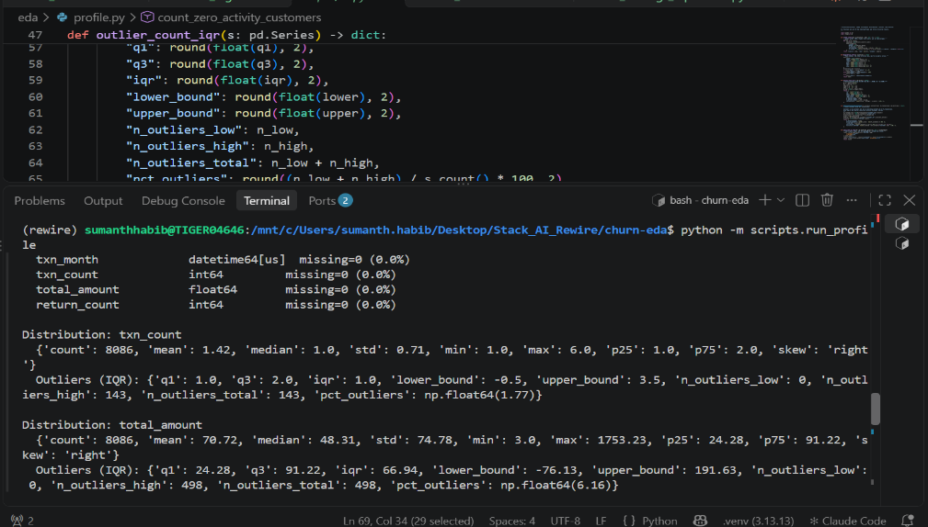 | PASS
TC-007 | Multi-source case | Run eda/time_checks.py's compare_row_level_vs_monthly_agg for the most recent month in the data (2026-07). | The comparison reports a real, non-trivial discrepancy between transactions.db's reaggregated count/total and transactions_monthly_agg.parquet's stated count/total for that month — not an assumed or glossed-over agreement. | 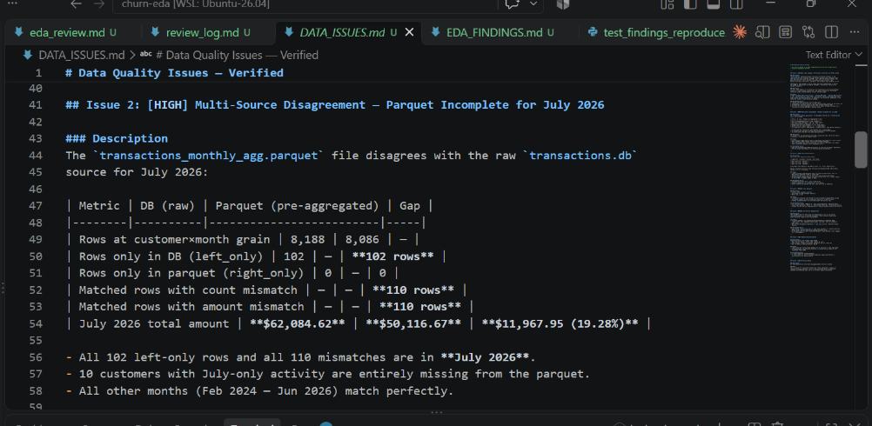 | PASS
TC-008 | Non-stationarity case | Run eda/time_checks.py's monthly_volume_trend across the full observed window. | Reports a clear growth trend in transaction volume from the earliest to the latest month, with the modelling consequence (a random train/test split risks mixing very different volume regimes) stated in DATA_ISSUES.md. | 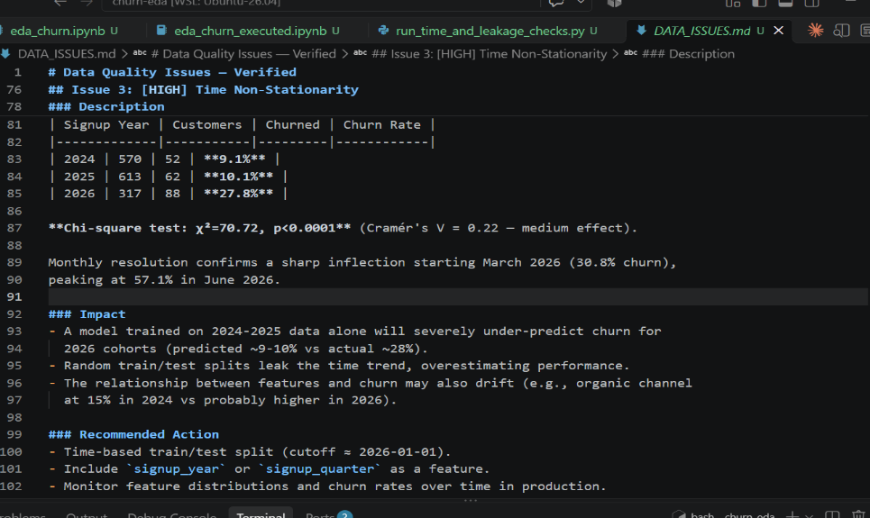 | PASS
TC-009 | Hypothesis case — categorical | Run the hypothesis test for acquisition_channel (or region) against churn. | Uses a chi-square test (not a t-test), reports the statistic and p-value, and states the result honestly even if it is not statistically significant at this dataset's sample size. | 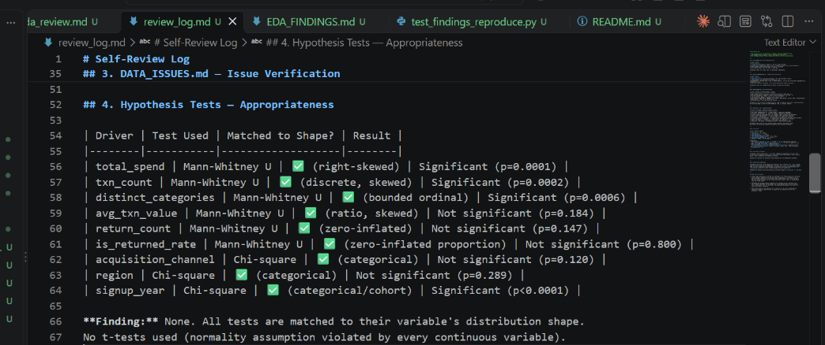 | PASS
TC-010 | Verification / parity-equivalent case | Run scripts/verify_findings.py against the confirmed EDA_FINDINGS.md, then deliberately corrupt one stated number in a scratch copy and rerun. | The unmodified file passes verification cleanly; the corrupted copy is caught and reported as a mismatch, proving the verification is real and not cosmetic. | 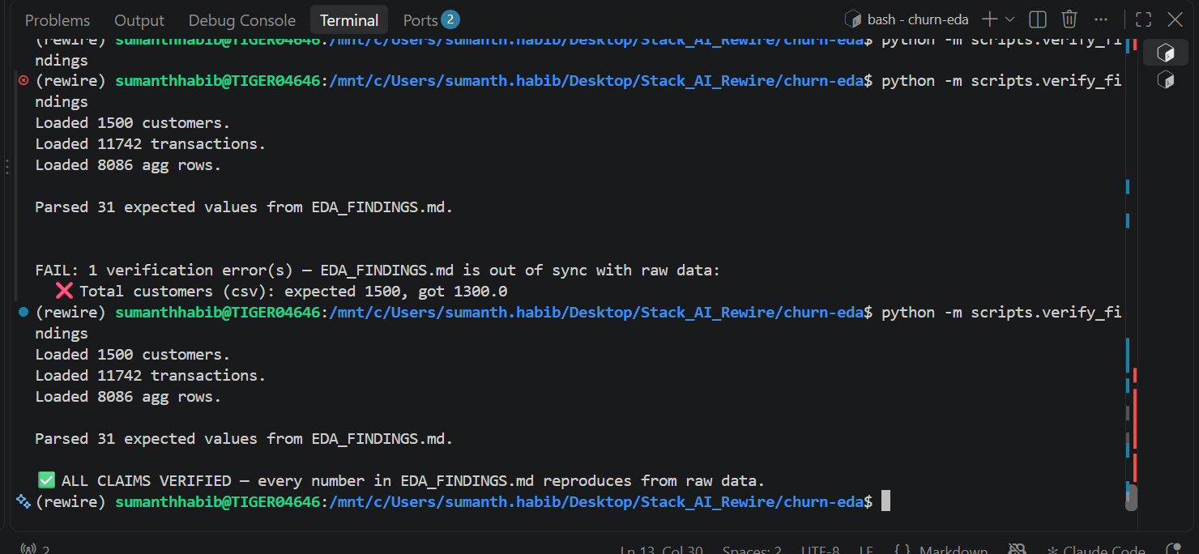 | PASS
TC-011 | AI-native production check | Diff the code and generated docs (eda/, scripts/, notebooks/, tests/, EDA_FINDINGS.md, MODEL_RECOMMENDATION.md, DATA_ISSUES.md, ARTIFACT_NOTES.md, review_log.md) against the Claude Code session transcript or your own notes on the build run. | Every one of those files traces back to the churn-eda-profiling skill's build run against your confirmed eda_review.md — none was hand-written or hand-edited outside that run to patch a gap or make a check pass. | 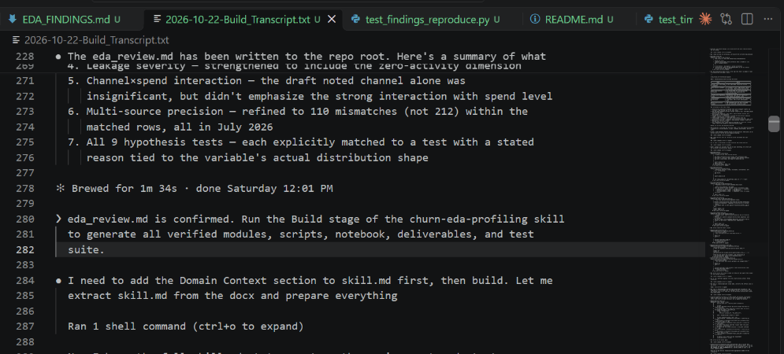 | PASS

